CO2 emissions
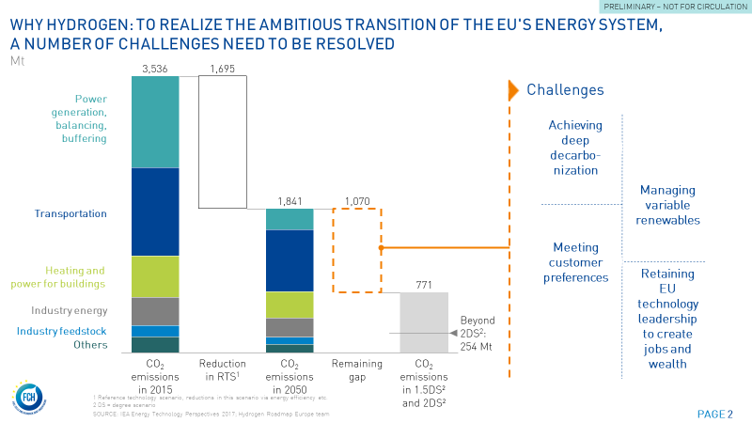
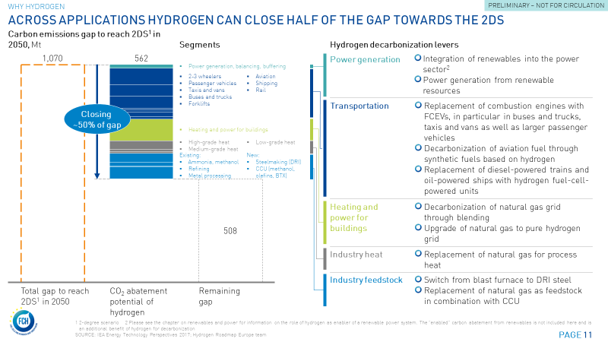
CO2 emission scenarios and abatement potential of H2

 | Segment | Category | Unit | 2015 | 2020 | 2025 | 2030 | 2035 | 2040 | 2045 | 2050 | Comments
 | ANNUAL H2 DEMAND | H2 demand | PJ | 1,170 | 1,453 | 1,662 | 2,390 | 2,734 | 3,723 | 4,963 | 8,071
1 | Power generation | H2 demand | PJ | - | 12 | 62 | 231 | 229 | 255 | 283 | 368
4 | Transportation | H2 demand | PJ | - | 2 | 29 | 252 | 370 | 881 | 1,233 | 2,431
 | 2/3 wheelers | H2 demand | PJ | - | 0 | 0 | 0 | 0 | 0 | 1 | 2
 | Passenger cars - w/o taxis | H2 demand | PJ | - | 0 | 10 | 61 | 168 | 322 | 509 | 791
 | Passenger cars - Taxis | H2 demand | PJ | - | 1 | 11 | 43 | 82 | 116 | 153 | 196
 | Vans/LCVs | H2 demand | PJ | - | 0 | 4 | 25 | 68 | 127 | 206 | 335
 | Buses | H2 demand | PJ | - | 0 | 1 | 5 | 13 | 25 | 43 | 70
 | Trucks | H2 demand | PJ | - | 0 | 1 | 9 | 34 | 111 | 276 | 524
 | Forklifts | H2 demand | PJ | - | 0 | 1 | 1 | 5 | 20 | 45 | 80
 | Aviation | H2 demand | PJ | - | - | - | 5 | - | 10 | - | 114
 | Shipping | H2 demand | PJ | - | - | - | 64 | - | 75 | - | 208
 | Rail | H2 demand | PJ | - | 1 | - | 39 | - | 76 | - | 110
5 | Industry energy | H2 demand | PJ | - | - | - | 28 | 75 | 168 | 374 | 852
 | High-grade heat | H2 demand | PJ | - | - | - | 28 | 58 | 125 | 264 | 563
 | Medium-grade heat | H2 demand | PJ | - | - | - | - | 7 | 19 | 54 | 156
 | Low-grade heat | H2 demand | PJ | - | - | - | - | 10 | 24 | 57 | 132
 | Power | H2 demand | PJ | - | - | - | - | - | - | - | -
6 | Heating and power for buildings | H2 demand | PJ | - | 66 | 89 | 118 | 238 | 485 | 999 | 2,087
 | Heating | H2 demand | PJ | - | 64 | 86 | 112 | 219 | 434 | 853 | 1,675
 | Power | H2 demand | PJ | - | 2 | 3 | 6 | 18 | 52 | 146 | 411
7a-1 | New feedstock uses - CCU | H2 demand | Mt | - | - | - | 111 | 136 | 202 | 278 | 419
7a-2 | New feedstock uses - DRI | H2 demand | Mt | - | - | - | 113 | 166 | 244 | 348 | 507
7b | Existing feedstock uses | H2 demand | PJ | 1,170 | 1,372 | 1,481 | 1,537 | 1,521 | 1,488 | 1,449 | 1,407
 | Existing - Chemicals (ammonia, methanol) | H2 demand | PJ | 573 | 704 | 754 | 792 | 830 | 864 | 895 | 919
 | Existing - Refining | H2 demand | PJ | 550 | 620 | 678 | 695 | 640 | 570 | 500 | 432
 | Existing - Metal processing | H2 demand | PJ | 47 | 49 | 50 | 50 | 52 | 54 | 54 | 56

 | CO2 EMISSIONS OF H2
1 | Power generation | CO2 emissions rel. to production mix | kg CO2/kg H2 | 9.4 | 9.9 | 8.1 | 6.1 | 3.4 | 2.1 | 1.2 | 0.7
4 | Transportation | CO2 emissions rel. to production mix | kg CO2/kg H2 | 11.7 | 9.9 | 7.8 | 5.8 | 3.0 | 1.9 | 1.3 | 0.8
5 | Industry energy | CO2 emissions rel. to production mix | kg CO2/kg H2 | 9.4 | 9.9 | 8.1 | 6.1 | 3.4 | 2.1 | 1.2 | 0.7
6 | Heating and power for buildings | CO2 emissions rel. to production mix | kg CO2/kg H2 | 9.4 | 9.9 | 8.1 | 6.1 | 3.4 | 2.1 | 1.2 | 0.7
7a-1 | New feedstock uses - CCU | CO2 emissions rel. to production mix | kg CO2/kg H2 | 9.4 | 9.9 | 8.1 | 6.1 | 3.4 | 2.1 | 1.2 | 0.7
7a-2 | New feedstock uses - DRI | CO2 emissions rel. to production mix | kg CO2/kg H2 | 9.4 | 9.9 | 8.1 | 6.1 | 3.4 | 2.1 | 1.2 | 0.7
7b | Existing feedstock uses | CO2 emissions rel. to production mix | kg CO2/kg H2 | 9.4 | 9.4 | 8.9 | 8.5 | 7.0 | 5.5 | 4.2 | 2.7

1 | Power generation | CO2 emissions rel. to production mix | kg CO2/MJ H2 | 0.1 | 0.1 | 0.1 | 0.0 | 0.0 | 0.0 | 0.0 | 0.0
4 | Transportation | CO2 emissions rel. to production mix | kg CO2/MJ H2 | 0.1 | 0.1 | 0.1 | 0.0 | 0.0 | 0.0 | 0.0 | 0.0
5 | Industry energy | CO2 emissions rel. to production mix | kg CO2/MJ H2 | 0.1 | 0.1 | 0.1 | 0.0 | 0.0 | 0.0 | 0.0 | 0.0
6 | Heating and power for buildings | CO2 emissions rel. to production mix | kg CO2/MJ H2 | 0.1 | 0.1 | 0.1 | 0.0 | 0.0 | 0.0 | 0.0 | 0.0
7a-1 | New feedstock uses - CCU | CO2 emissions rel. to production mix | kg CO2/MJ H2 | 0.1 | 0.1 | 0.1 | 0.0 | 0.0 | 0.0 | 0.0 | 0.0
7a-2 | New feedstock uses - DRI | CO2 emissions rel. to production mix | kg CO2/MJ H2 | 0.1 | 0.1 | 0.1 | 0.0 | 0.0 | 0.0 | 0.0 | 0.0
7b | Existing feedstock uses | CO2 emissions rel. to production mix | kg CO2/MJ H2 | 0.1 | 0.1 | 0.1 | 0.1 | 0.0 | 0.0 | 0.0 | 0.0

1 | Power generation | CO2 emissions rel. to production mix | Mt CO2/EJ H2 | 66.6 | 70.0 | 57.1 | 43.5 | 23.8 | 14.9 | 8.7 | 4.7
4 | Transportation | CO2 emissions rel. to production mix | Mt CO2/EJ H2 | 82.9 | 69.9 | 55.0 | 41.2 | 21.4 | 13.4 | 9.3 | 5.6
5 | Industry energy | CO2 emissions rel. to production mix | Mt CO2/EJ H2 | 66.6 | 70.0 | 57.1 | 43.5 | 23.8 | 14.9 | 8.7 | 4.7
6 | Heating and power for buildings | CO2 emissions rel. to production mix | Mt CO2/EJ H2 | 66.6 | 70.0 | 57.1 | 43.5 | 23.8 | 14.9 | 8.7 | 4.7
7a-1 | New feedstock uses - CCU | CO2 emissions rel. to production mix | Mt CO2/EJ H2 | 66.6 | 70.0 | 57.1 | 43.5 | 23.8 | 14.9 | 8.7 | 4.7
7a-2 | New feedstock uses - DRI | CO2 emissions rel. to production mix | Mt CO2/EJ H2 | 66.6 | 70.0 | 57.1 | 43.5 | 23.8 | 14.9 | 8.7 | 4.7
7b | Existing feedstock uses | CO2 emissions rel. to production mix | Mt CO2/EJ H2 | 66.6 | 66.5 | 63.3 | 60.1 | 49.7 | 39.2 | 29.5 | 19.1

 | CO2 REDUCTION / ABATEMENT | CO2 abated | Mt | - | -0.9 | 5.7 | 36.7 | 92.1 | 191.9 | 301.9 | 562.3
1 | Power generation | CO2 abated | Mt | - | -0.2 | -0.1 | 2.9 | 7.4 | 10.5 | 13.4 | 18.9
4 | Transportation | CO2 abated | Mt | - | 0.0 | 0.9 | 13.9 | 32.1 | 85.3 | 123.6 | 249.9
 | 2/3 wheelers | CO2 abated | Mt | - | 0.0 | 0.0 | 0.0 | 0.0 | 0.0 | 0.1 | 0.2
 | Passenger cars - w/o taxis | CO2 abated | Mt | - | 0.0 | 0.3 | 3.4 | 14.6 | 31.2 | 51.0 | 81.3
 | Passenger cars - Taxis | CO2 abated | Mt | - | 0.0 | 0.4 | 2.4 | 7.1 | 11.3 | 15.4 | 20.1
 | Vans/LCVs | CO2 abated | Mt | - | 0.0 | 0.1 | 1.4 | 5.9 | 12.3 | 20.7 | 34.4
 | Buses | CO2 abated | Mt | - | 0.0 | 0.0 | 0.3 | 1.1 | 2.4 | 4.3 | 7.2
 | Trucks | CO2 abated | Mt | - | 0.0 | 0.0 | 0.5 | 2.9 | 10.8 | 27.7 | 53.9
 | Forklifts | CO2 abated | Mt | - | 0.0 | 0.0 | 0.1 | 0.5 | 1.9 | 4.5 | 8.2
 | Aviation | CO2 abated | Mt | - | - | - | 0.3 | - | 0.9 | - | 11.8
 | Shipping | CO2 abated | Mt | - | - | - | 3.5 | - | 7.2 | - | 21.4
 | Rail | CO2 abated | Mt | - | 0.0 | - | 2.1 | - | 7.3 | - | 11.3
5 | Industry energy | CO2 abated | Mt | - | - | - | 0.9 | 3.9 | 10.1 | 24.9 | 60.2
 | High-grade heat | CO2 abated | Mt | - | - | - | 0.9 | 3.0 | 7.5 | 17.6 | 39.8
 | Medium-grade heat | CO2 abated | Mt | - | - | - | - | 0.3 | 1.1 | 3.6 | 11.0
 | Low-grade heat | CO2 abated | Mt | - | - | - | - | 0.5 | 1.5 | 3.8 | 9.3
 | Power | CO2 abated | Mt | - | - | - | - | - | - | - | -
6 | Heating and power for buildings | CO2 abated | Mt | - | -0.9 | -0.1 | 1.5 | 7.7 | 20.0 | 47.3 | 107.2
 | Heating | CO2 abated | Mt | - | -0.9 | -0.1 | 1.4 | 7.1 | 17.8 | 40.4 | 86.0
 | Power | CO2 abated | Mt | - | -0.0 | -0.0 | 0.1 | 0.6 | 2.1 | 6.9 | 21.1
7a-1 | New feedstock uses - CCU | CO2 abated | Mt | - | - | - | - | - | - | - | -
7a-2 | New feedstock uses - DRI | CO2 abated | Mt | - | - | - | 7.5 | 15.2 | 25.2 | 38.8 | 59.2
7b | Existing feedstock uses | CO2 abated | Mt | - | 0.2 | 5.0 | 10.0 | 25.8 | 40.8 | 53.9 | 66.9
 | Existing - Chemicals (ammonia, methanol) | CO2 abated | Mt | - | 0.1 | 2.5 | 5.2 | 14.1 | 23.7 | 33.3 | 43.7
 | Existing - Refining | CO2 abated | Mt | - | 0.1 | 2.3 | 4.5 | 10.8 | 15.6 | 18.6 | 20.6
 | Existing - Metal processing | CO2 abated | Mt | - | 0.0 | 0.2 | 0.3 | 0.9 | 1.5 | 2.0 | 2.7
 | Total feedstock | CO2 abated | Mt | - | 0.2 | 5.0 | 17.5 | 41.0 | 66.0 | 92.7 | 126.2

 | Total gap between IEA scenarios
 | CO2 emissions in the RTS | CO2 emissions | Mt | 3,536 | 3,150 | 2,805 | 2,567 | 2,322 | 2,137 | 2,009 | 1,841 | IEA RTS scenario
 | CO2 emissions allowed in 2 DS | CO2 emissions | Mt | 3,536 | 2,942 | 2,448 | 1,884 | 1,422 | 1,192 | 974 | 771 | IEA 2DS scenario

 | Gap to be closed | CO2 abated | Mt |  | 207 | 357 | 683 | 899 | 944 | 1,035 | 1,071
 | Share of gap relative to RTS | CO2 abated | % |  | 7% | 13% | 27% | 39% | 44% | 52% | 58%
 | Gap closed by hydrogen | CO2 abated | Mt |  | -0.88 | 5.75 | 36.71 | 92.05 | 191.89 | 301.94 | 562.30
 | Share of gap closed by H2 |  | % |  | 0% | 2% | 5% | 10% | 20% | 29% | 53%

 |  | Input for chart

 |  | Segment | Unit | CO2 emissions in 2015 | Reduction in RTS | CO2 emissions in 2050 | Ambitious scenario | Remaining gap | CO2 emissions in 2DS in 2050
 |  | Sum | Mt | 3,536 | 1,695 | 1,841 | 562 | 509 | 771
 |  |  |  |  | 1,695
 |  | Power generation | Mt | 1,169 |  | 266 | 19
 |  | 2/3 wheelers | Mt | 6 |  | 5 | 0
 |  | Passenger vehicles | Mt | 528 |  | 216 | 81
 |  | Taxis and vans | Mt | 119 |  | 102 | 55
 |  | Buses and trucks | Mt | 185 |  | 180 | 61
 |  | Forklifts | Mt | 9 |  | 15 | 8
 |  | Aviation | Mt | 150 |  | 127 | 12
 |  | Shipping | Mt | 123 |  | 127 | 21
 |  | Rail | Mt | 22 |  | 39 | 11
 |  | Heating and power for buildings | Mt | 529 |  | 333 | 107
 |  | High-grade heat | Mt | 101 |  | 79 | 40
 |  | Medium-grade heat | Mt | 83 |  | 63 | 11
 |  | Low-grade heat | Mt | 175 |  | 107 | 9
 |  | Existing - Chemicals (ammonia, methanol) | Mt | 8 |  | 6 | 44
 |  | Existing - Refining | Mt | 9 |  | 4 | 21
 |  | Existing - Metal processing | Mt | 59 |  | 37 | 3
 |  | New - Steelmaking (e.g. DRI) | Mt | 59 |  | 37 | 59
 |  | New - CCU (methanol, olefins, BTX) | Mt | 6 |  | 6 | -
 |  | Other | Mt | 195 |  | 91

H2 demand
EU energy demand supplied with hydrogen

Ambitious scenario |  |  |  |  |  |  |  |  |  |  | BAU scenario
 | Segment | Unit | 2015 | 2020 | 2025 | 2030 | 2035 | 2040 | 2045 | 2050 |  | Segment | Unit | 2015 | 2020 | 2025 | 2030 | 2035 | 2040 | 2045 | 2050
1 | Power generation | PJ | - | 12 | 62 | 231 | 229 | 255 | 283 | 368 | 1 | Power generation | PJ | - | - | - | 58 | 72 | 89 | 113 | 133
2 | Buffering | PJ | - | 3 | 4 | 5 | 12 | 19 | 25 | 34 | 2 | Buffering | PJ | - | 3 | 3 | 4 | 11 | 16 | 19 | 23
4 | Transportation | PJ | - | 2 | 29 | 252 | 370 | 881 | 1,233 | 2,431 | 4 | Transportation | PJ | - | 0 | 5 | 33 | 43 | 98 | 126 | 306
5 | Industry energy | PJ | - | - | - | 28 | 75 | 168 | 374 | 852 | 5 | Industry energy | PJ | - | - | - | - | - | - | - | 191
6 | Heating and power for buildings | PJ | - | 66 | 89 | 118 | 238 | 485 | 999 | 2,087 | 6 | Heating and power for buildings | PJ | - | - | 61 | 99 | 160 | 264 | 438 | 743
7a | New feedstock uses | PJ | - | - | - | 224 | 302 | 445 | 625 | 926 | 7a | New feedstock uses | PJ | - | - | - | 1 | 2 | 2 | 4 | 5
7b | Existing feedstock uses | PJ | 1,170 | 1,372 | 1,481 | 1,537 | 1,521 | 1,488 | 1,449 | 1,407 | 7b | Existing feedstock uses | PJ | 1,170 | 1,372 | 1,481 | 1,537 | 1,521 | 1,488 | 1,449 | 1,407

1 | Power generation | TWh | - | 3 | 17 | 64 | 64 | 71 | 79 | 102 | 1 | Power generation | TWh | - | - | - | 16 | 20 | 25 | 31 | 37
2 | Buffering | TWh | - | 1 | 1 | 1 | 3 | 5 | 7 | 10 | 2 | Buffering | TWh | - | 1 | 1 | 1 | 3 | 4 | 5 | 6
4 | Transportation | TWh | - | 1 | 8 | 70 | 103 | 245 | 342 | 675 | 4 | Transportation | TWh | - | 0 | 1 | 9 | 12 | 27 | 35 | 85
5 | Industry energy | TWh | - | - | - | 8 | 21 | 47 | 104 | 237 | 5 | Industry energy | TWh | - | - | - | - | - | - | - | 53
6 | Heating and power for buildings | TWh | - | 18 | 25 | 33 | 66 | 135 | 277 | 580 | 6 | Heating and power for buildings | TWh | - | - | 17 | 27 | 44 | 73 | 122 | 206
7a | New feedstock uses | TWh | - | - | - | 62 | 84 | 124 | 174 | 257 | 7a | New feedstock uses | TWh | - | - | - | 0 | 0 | 1 | 1 | 1
7b | Existing feedstock uses | TWh | 325 | 381 | 411 | 427 | 423 | 413 | 403 | 391 | 7b | Existing feedstock uses | TWh | 325 | 381 | 411 | 427 | 423 | 413 | 403 | 391

 | Total hydrogen demand | PJ | 1,170 | 1,455 | 1,665 | 2,395 | 2,747 | 3,741 | 4,988 | 8,105 |  | Total hydrogen demand | PJ | 1,170 | 1,375 | 1,551 | 1,732 | 1,809 | 1,957 | 2,149 | 2,808
 |  | TWh | 325 | 404 | 463 | 665 | 763 | 1,039 | 1,386 | 2,251 |  |  | TWh | 325 | 382 | 431 | 481 | 503 | 544 | 597 | 780
 |  | Mt | 8,250 | 10,260 | 11,739 | 16,884 | 19,363 | 26,376 | 35,164 | 57,139 |  |  | Mt | 8,250 | 9,696 | 10,933 | 12,214 | 12,757 | 13,797 | 15,150 | 19,798

 | Total final energy demand incl. feedstock | PJ | 50,600 | 47,786 | 45,127 | 41,576 | 38,966 | 36,957 | 35,107 | 33,592 |  | Total final energy demand incl. feedstock | PJ | 50,600 | 47,786 | 45,127 | 41,576 | 38,966 | 36,957 | 35,107 | 33,592
 | % hydrogen | % | 2% | 3% | 4% | 5% | 7% | 10% | 14% | 24% |  | % hydrogen | % | 2% | 3% | 3% | 4% | 5% | 5% | 6% | 8%

 | Input for chart |  |  |  |  |  |  |  |  |  |  | Input for chart

 | Segment | Unit | 2015 | 2030 | 2050 |  |  |  |  |  |  | Segment | Unit | 2015 | 2030 | 2050
 | Final energy demand | TWh | 14,100 | 11,500 | 9,300 |  |  |  |  |  |  | Final energy demand | TWh | 14,100 | 11,500 | 9,300
 | Thereof H2 |  | 2% | 6% | 24% |  |  |  |  |  |  | Thereof H2 |  | 2% | 4% | 8%

 | Power generation and buffering | TWh | - | 65 | 112 |  |  |  |  |  |  | Power generation and buffering | TWh | - | 17 | 43
 | Transportation | TWh | - | 70 | 675 |  |  |  |  |  |  | Transportation | TWh | - | 9 | 85
 | Heating and power for buildings | TWh | - | 33 | 580 |  |  |  |  |  |  | Heating and power for buildings | TWh | - | 27 | 206
 | Industry energy | TWh | - | 8 | 237 |  |  |  |  |  |  | Industry energy | TWh | - | - | 53
 | New feedstock | TWh | - | 62 | 257 |  |  |  |  |  |  | New feedstock | TWh | - | 0 | 1
 | Existing feedstock | TWh | 325 | 427 | 391 |  |  |  |  |  |  | Existing feedstock | TWh | 325 | 427 | 391

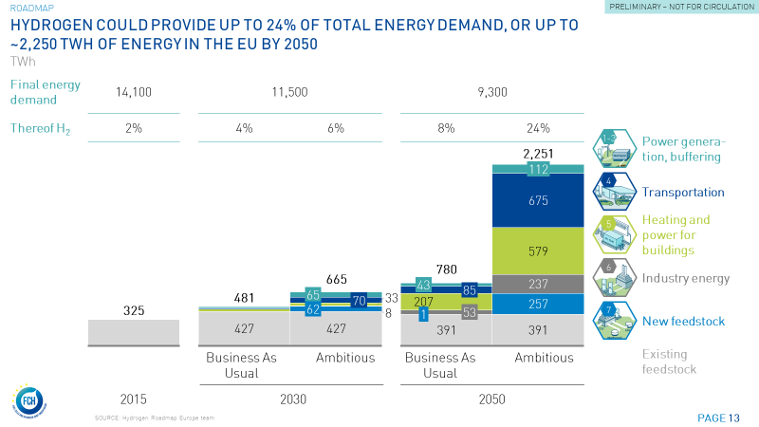

 | NEW

2050 hydrogen vision
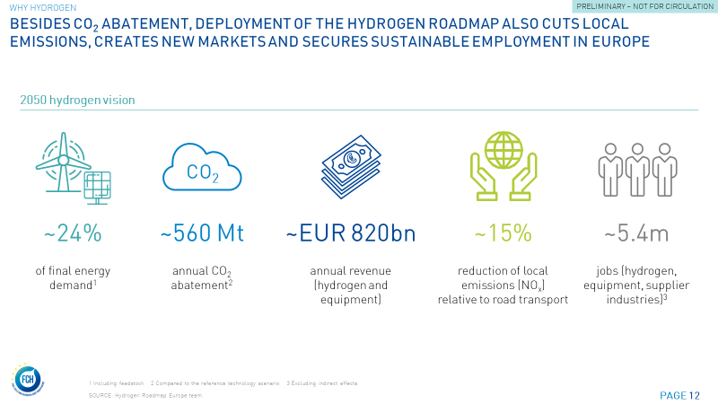
2050 hydrogen vision

Category | Unit | 2050
Hydrogen in final energy demand | % of final energy demand | 24%
CO2 abatement potential of hydrogen | Mt of annual CO2 abatement | 562
Revenue potential from hydrogen | EUR bn annual revenue (hydrogen and equipment) | 816
Reduction potential for local emissions | Reduction in Nox relative to road transport | 15%
Job creation potential | million jobs (hydrogen equipment, supplier industries) | 5.4

Importance per subsegment 2050
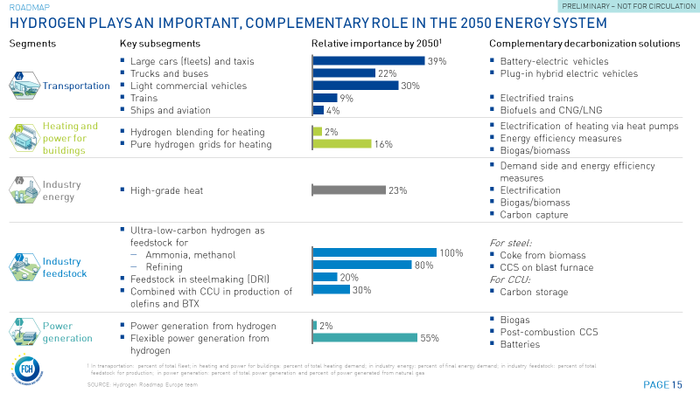
Relative importance per key subsegment in 2050

 | Segment | Key subsegments | Unit | Relative importance
4 | Transportation | Large cars (fleets) and taxis | Percent of total fleet | 39%
4 | Transportation | Trucks and buses | Percent of total fleet | 22%
4 | Transportation | Light commercial vehicles | Percent of total fleet | 30%
4 | Transportation | Trains | Percent of total fleet | 9%
4 | Transportation | Ships and aviation | Percent of total fleet | 4%

6 | Heating and power for buildings | Hydrogen blending for heating | Percent of total heating demand | 2%
6 | Heating and power for buildings | Pure hydrogen grids for heating | Percent of total heating demand | 16%

5 | Industry energy | High-grade heat | Percent of final energy demand | 23%

7 | Industry feedstock | Ammonia, methanol | Percent of total feedstock for production | 100%
7 | Industry feedstock | Refining | Percent of total feedstock for production | 80%
7 | Industry feedstock | Feedstock in steelmaking | Percent of total feedstock for production | 20%
7 | Industry feedstock | CCU (methanol, olefins, BTX) | Percent of total feedstock for production | 30%

1 | Power generation | Power generation from hydrogen | Percent of total power generation | 2%
1 | Power generation | Flexible power generation from hydrogen | Percent of total power generation from natural gas | 55%

Roadmap milestones
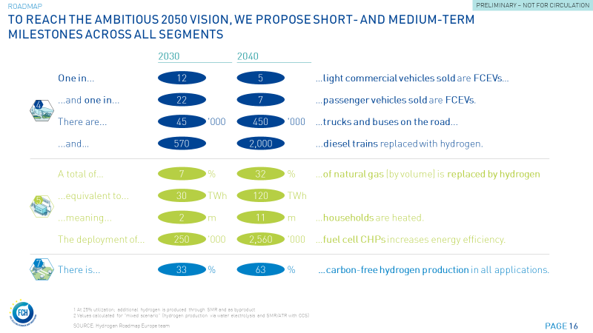
Roadmap milestones

 |  |  |  | Input for chart (rounded)
Category | Unit | 2030 | 2040 | 2030 | 2040
One in ... Light commercial vehicles (LCVs) will be FCEV | number | 11.8 | 5.1 | 12 | 5
One in ... Passenger vehicles will be FCEV | number | 21.6 | 7.1 | 22 | 7
There will be ... Trucks and buses ... | thsd | 45.4 | 452.9 | 45 | 450
There will be ... Diesel trains replaced with FC trains | number | 570.2 | 1,996.6 | 570 | 2,000
There are ... of natural gas (by volume) replaced by hydrogen | % | 7% | 32% | 7% | 32%
... equivalent to ... | TWh | 31.1 | 120.5 | 30 | 120
... meaning ... households are heated. | m | 2.5 | 11.4 | 2 | 11
Deployment of ... Fuel cell CHPs | thsd | 249.6 | 2,557.9 | 250 | 2,560
Carbon-free production in all applications | % | 33% | 63% | 33% | 63%

T_FCEV sales + HRS required
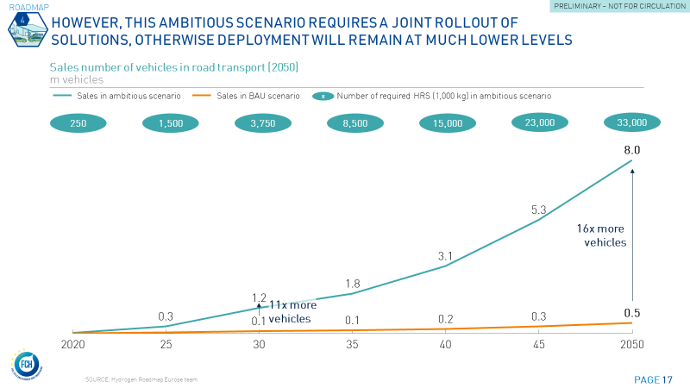
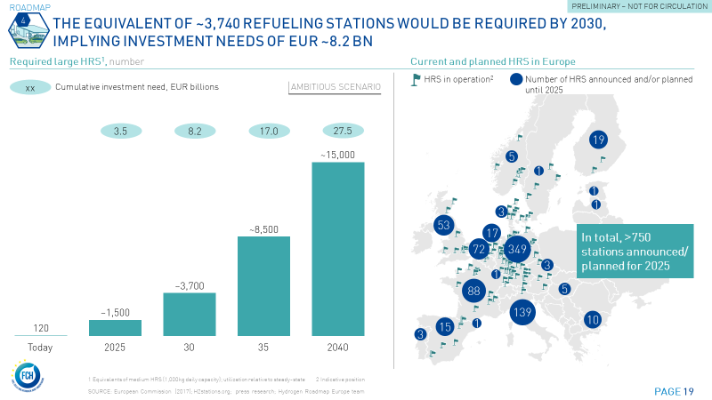
Transportation - Development of FCEV sales and HRS

Category | Unit | 2020 | 2025 | 2030 | 2035 | 2040 | 2045 | 2050
FCEV sales in ambitious scenario | million | 0.0 | 0.3 | 1.2 | 1.8 | 3.1 | 5.3 | 8.0
FCEV sales in BAU scenario | million | 0.0 | 0.0 | 0.1 | 0.1 | 0.2 | 0.3 | 0.5
Required HRS in ambitious scenario | Number of HRS (1,000 kg) | 250 | 1,455 | 3,739 | 8,541 | 14,872 | 22,857 | 33,351

Cumulative investment need for HRS | EUR bn | 342 | 3,456 | 8,161 | 17,037 | 27,543 | 39,447 | 53,510

T_Rampup fleet + sales
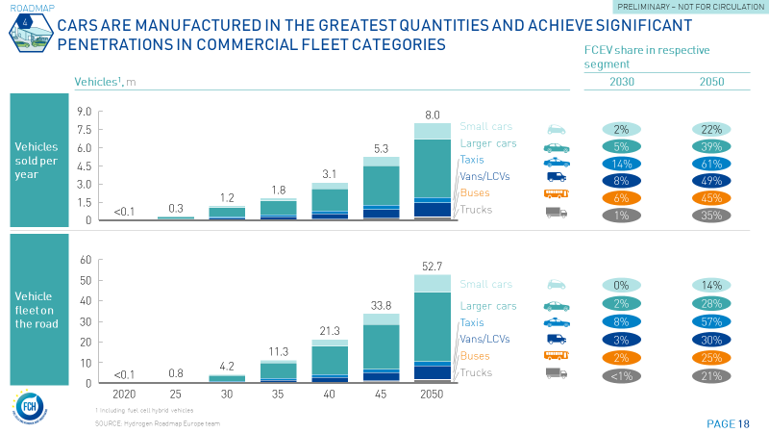
Transportation - Rampup of FCEV fleet and sales

 | Category/segment | Unit | 2015 | 2020 | 2025 | 2030 | 2035 | 2040 | 2045 | 2050 | 2030 | 2050
 | Hydrogen car fleet
4 | Transportation | m | - | 0.0 | 0.8 | 4.2 | 11.3 | 21.3 | 33.8 | 52.7 | 4.2 | 52.7
4 | A/B cars | m | - | 0.0 | 0.1 | 0.4 | 1.4 | 3.2 | 5.3 | 8.6 | 0.4 | 8.6
4 | C/D cars | m | - | 0.0 | 0.4 | 2.5 | 6.7 | 12.4 | 19.4 | 30.0 | 2.5 | 30.0
4 | E+ cars | m | - | 0.0 | 0.0 | 0.3 | 0.8 | 1.5 | 2.4 | 3.6 | 0.3 | 3.6
4 | Taxis | m | - | 0.0 | 0.1 | 0.5 | 0.9 | 1.2 | 1.6 | 2.1 | 0.5 | 2.1
4 | Vans/LCVs | m | - | 0.0 | 0.1 | 0.5 | 1.3 | 2.4 | 4.0 | 6.5 | 0.5 | 6.5
4 | Coaches | m | - | 0.0 | 0.0 | 0.0 | 0.0 | 0.0 | 0.0 | 0.1 | 0.0 | 0.1
4 | City buses | m | - | 0.0 | 0.0 | 0.0 | 0.0 | 0.0 | 0.0 | 0.0 | 0.0 | 0.0
4 | Small buses | m | - | 0.0 | 0.0 | 0.0 | 0.0 | 0.1 | 0.1 | 0.2 | 0.0 | 0.2
4 | Light-duty trucks | m | - | 0.0 | 0.0 | 0.0 | 0.1 | 0.2 | 0.6 | 1.1 | 0.0 | 1.1
4 | Medium-duty trucks | m | - | 0.0 | 0.0 | 0.0 | 0.0 | 0.0 | 0.1 | 0.2 | 0.0 | 0.2
4 | Heavy-duty trucks | m | - | 0.0 | 0.0 | 0.0 | 0.0 | 0.1 | 0.2 | 0.4 | 0.0 | 0.4
4 | Captive trucks | m | - | - | - | - | - | - | - | - | - | -

Input for chart
4 | Transportation | m | - | 0.0 | 0.8 | 4.2 | 11.3 | 21.3 | 33.8 | 52.7 | 4.2 | 52.7
4 | Passenger cars | m | - | 0.0 | 0.7 | 3.7 | 9.8 | 18.4 | 28.8 | 44.3 | 3.7 | 44.3
4 | Small cars | m | - | 0.0 | 0.1 | 0.4 | 1.4 | 3.2 | 5.3 | 8.6 | 0.4 | 8.6
4 | Larger cars | m | - | 0.0 | 0.5 | 2.8 | 7.5 | 13.9 | 21.8 | 33.6 | 2.8 | 33.6
4 | Taxis | m | - | 0.0 | 0.1 | 0.5 | 0.9 | 1.2 | 1.6 | 2.1 | 0.5 | 2.1
4 | Vans/LCVs | m | - | 0.0 | 0.1 | 0.5 | 1.3 | 2.4 | 4.0 | 6.5 | 0.5 | 6.5
4 | Buses | m | - | 0.0 | 0.0 | 0.0 | 0.0 | 0.1 | 0.2 | 0.3 | 0.0 | 0.3
4 | Trucks | m | - | 0.0 | 0.0 | 0.0 | 0.1 | 0.4 | 0.9 | 1.7 | 0.0 | 1.7

 | Hydrogen car share of fleet
4 | Transportation | % | 0% | 0% | 0% | 1% | 3% | 7% | 12% | 20% | 1% | 20%
4 | A/B cars | % | 0% | 0% | 0% | 0% | 2% | 4% | 8% | 14% | 0% | 14%
4 | C/D cars | % | 0% | 0% | 0% | 2% | 4% | 9% | 16% | 28% | 2% | 28%
4 | E+ cars | % | 0% | 0% | 0% | 2% | 5% | 11% | 19% | 33% | 2% | 33%
4 | Taxis | % | 0% | 0% | 2% | 8% | 17% | 26% | 39% | 57% | 8% | 57%
4 | Vans/LCVs | % | 0% | 0% | 0% | 3% | 7% | 12% | 19% | 30% | 3% | 30%
4 | Coaches | % | 0% | 0% | 0% | 1% | 4% | 9% | 17% | 30% | 1% | 30%
4 | City buses | % | 0% | 0% | 1% | 4% | 9% | 14% | 21% | 30% | 4% | 30%
4 | Small buses | % | 0% | 0% | 0% | 2% | 4% | 9% | 14% | 23% | 2% | 23%
4 | Light-duty trucks | % | 0% | 0% | 0% | 0% | 2% | 5% | 11% | 20% | 0% | 20%
4 | Medium-duty trucks | % | 0% | 0% | 0% | 0% | 2% | 5% | 13% | 24% | 0% | 24%
4 | Heavy-duty trucks | % | 0% | 0% | 0% | 0% | 1% | 5% | 13% | 26% | 0% | 26%
4 | Captive trucks | % | 0% | 0% | 0% | 0% | 0% | 0% | 0% | 0% | 0% | 0%

 |  |  |  |  |  |  |  |  |  |  | Input for chart
4 | Transportation | % | 0% | 0% | 0% | 1% | 3% | 7% | 12% | 20% | 1% | 20%
4 | Passenger cars | % | 0% | 0% | 0% | 1% | 4% | 8% | 14% | 24% | 1% | 24%
4 | Small cars | % | 0% | 0% | 0% | 0% | 2% | 4% | 8% | 14% | 0% | 14%
4 | Larger cars | % | 0% | 0% | 0% | 2% | 4% | 9% | 16% | 28% | 2% | 28%
4 | Taxis | % | 0% | 0% | 2% | 8% | 17% | 26% | 39% | 57% | 8% | 57%
4 | Vans/LCVs | % | 0% | 0% | 0% | 3% | 7% | 12% | 19% | 30% | 3% | 30%
4 | Buses | % | 0% | 0% | 0% | 2% | 5% | 9% | 16% | 25% | 2% | 25%
4 | Trucks | % | 0% | 0% | 0% | 0% | 2% | 5% | 12% | 21% | 0% | 21%

 | Hydrogen car sales
4 | Transportation | m | - | 0.0 | 0.3 | 1.2 | 1.8 | 3.1 | 5.3 | 8.0 | 1.2 | 8.0
4 | A/B cars | m | - | 0.0 | 0.0 | 0.1 | 0.2 | 0.5 | 0.7 | 1.3 | 0.1 | 1.3
4 | C/D cars | m | - | 0.0 | 0.2 | 0.7 | 1.0 | 1.6 | 2.9 | 4.3 | 0.7 | 4.3
4 | E+ cars | m | - | 0.0 | 0.0 | 0.1 | 0.1 | 0.2 | 0.4 | 0.5 | 0.1 | 0.5
4 | Taxis | m | - | 0.0 | 0.0 | 0.1 | 0.2 | 0.2 | 0.3 | 0.4 | 0.1 | 0.4
4 | Vans/LCVs | m | - | 0.0 | 0.0 | 0.2 | 0.3 | 0.4 | 0.7 | 1.2 | 0.2 | 1.2
4 | Coaches | m | - | 0.0 | 0.0 | 0.0 | 0.0 | 0.0 | 0.0 | 0.0 | 0.0 | 0.0
4 | City buses | m | - | 0.0 | 0.0 | 0.0 | 0.0 | 0.0 | 0.0 | 0.0 | 0.0 | 0.0
4 | Small buses | m | - | 0.0 | 0.0 | 0.0 | 0.0 | 0.0 | 0.0 | 0.0 | 0.0 | 0.0
4 | Light-duty trucks | m | - | 0.0 | 0.0 | 0.0 | 0.0 | 0.1 | 0.1 | 0.2 | 0.0 | 0.2
4 | Medium-duty trucks | m | - | 0.0 | 0.0 | 0.0 | 0.0 | 0.0 | 0.0 | 0.0 | 0.0 | 0.0
4 | Heavy-duty trucks | m | - | 0.0 | 0.0 | 0.0 | 0.0 | 0.0 | 0.0 | 0.1 | 0.0 | 0.1
4 | Captive trucks | m | - | 0.0 | 0.0 | 0.0 | 0.0 | 0.0 | 0.0 | 0.0 | 0.0 | 0.0

Input for chart
4 | Transportation | m | - | 0.0 | 0.3 | 1.2 | 1.8 | 3.1 | 5.3 | 8.0 | 1.2 | 8.0
4 | Passenger cars | m | - | 0.0 | 0.3 | 1.0 | 1.5 | 2.6 | 4.3 | 6.6 | 1.0 | 6.6
4 | Small cars | m | - | 0.0 | 0.0 | 0.1 | 0.2 | 0.5 | 0.7 | 1.3 | 0.1 | 1.3
4 | Larger cars | m | - | 0.0 | 0.2 | 0.7 | 1.1 | 1.8 | 3.3 | 4.8 | 0.7 | 4.8
4 | Taxis | m | - | 0.0 | 0.0 | 0.1 | 0.2 | 0.2 | 0.3 | 0.4 | 0.1 | 0.4
4 | Vans/LCVs | m | - | 0.0 | 0.0 | 0.2 | 0.3 | 0.4 | 0.7 | 1.2 | 0.2 | 1.2
4 | Buses | m | - | 0.0 | 0.0 | 0.0 | 0.0 | 0.0 | 0.0 | 0.0 | 0.0 | 0.0
4 | Trucks | m | - | 0.0 | 0.0 | 0.0 | 0.0 | 0.1 | 0.2 | 0.2 | 0.0 | 0.2

 | Sales %
4 | Transportation | % | 0% | 0% | 1% | 4% | 7% | 13% | 21% | 32% | 4% | 32%
4 | A/B cars | % | 0% | 0% | 0% | 2% | 4% | 9% | 12% | 22% | 2% | 22%
4 | C/D cars | % | 0% | 0% | 1% | 5% | 9% | 16% | 26% | 39% | 5% | 39%
4 | E+ cars | % | 0% | 0% | 2% | 7% | 11% | 19% | 31% | 46% | 7% | 46%
4 | Taxis | % | 0% | 1% | 5% | 14% | 21% | 32% | 45% | 61% | 14% | 61%
4 | Vans/LCVs | % | 0% | 0% | 2% | 8% | 13% | 20% | 31% | 49% | 8% | 49%
4 | Coaches | % | 0% | 0% | 2% | 6% | 12% | 19% | 35% | 58% | 6% | 58%
4 | City buses | % | 0% | 2% | 6% | 10% | 16% | 24% | 34% | 48% | 10% | 48%
4 | Small buses | % | 0% | 0% | 2% | 5% | 11% | 16% | 26% | 40% | 5% | 40%
4 | Light-duty trucks | % | 0% | 0% | 0% | 1% | 4% | 12% | 22% | 33% | 1% | 33%
4 | Medium-duty trucks | % | 0% | 0% | 0% | 1% | 4% | 14% | 25% | 38% | 1% | 38%
4 | Heavy-duty trucks | % | 0% | 0% | 0% | 1% | 4% | 15% | 26% | 42% | 1% | 42%
4 | Captive trucks | % | 0% | 0% | 0% | 2% | 5% | 15% | 24% | 35% | 2% | 35%

 |  |  |  |  |  |  |  |  |  |  | Input for chart
4 | Transportation | % | 0% | 0% | 1% | 4% | 7% | 13% | 21% | 32% | 4% | 32%
4 | Passenger cars | % | 0% | 0% | 1% | 5% | 8% | 14% | 22% | 34% | 5% | 34%
4 | Small cars | % | 0% | 0% | 0% | 2% | 4% | 9% | 12% | 22% | 2% | 22%
4 | Larger cars | % | 0% | 0% | 1% | 5% | 9% | 16% | 27% | 39% | 5% | 39%
4 | Taxis | % | 0% | 1% | 5% | 14% | 21% | 32% | 45% | 61% | 14% | 61%
4 | Vans/LCVs | % | 0% | 0% | 2% | 8% | 13% | 20% | 31% | 49% | 8% | 49%
4 | Buses | % | 0% | 0% | 2% | 6% | 11% | 18% | 29% | 45% | 6% | 45%
4 | Trucks | % | 0% | 0% | 0% | 1% | 4% | 13% | 23% | 35% | 1% | 35%

B_Building energy demand
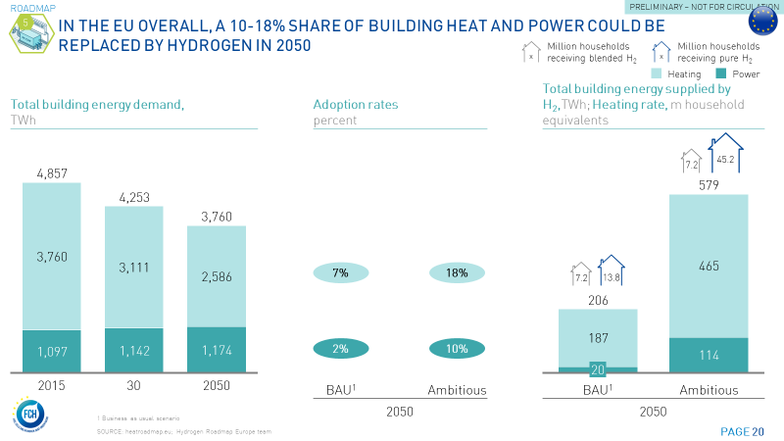
Heating and power for buildings - Adoption rates and hydrogen demand

 |  | Ambitious scenario |  |  |  |  |  |  |  | BAU scenario
 |  | Baseline |  |  |  | H2 adoption rates |  | H2 demand |  | Baseline |  |  |  | H2 adoption rates |  | H2 demand
Segment | Category | Unit | 2015 | 2030 | 2050 | Unit | 2050 | Unit | 2050 | Unit | 2015 | 2030 | 2050 | Unit | 2050 | Unit | 2050
Heating and power for buildings | Final energy demand | PJ | 4,857 | 4,253 | 3,760 | % | 14% | PJ | 580 | PJ | 4,857 | 4,253 | 3,760 | % | 5% | PJ | 206
Heating | Final energy demand | PJ | 3,760 | 3,111 | 2,586 | % | 18% | PJ | 465 | PJ | 3,760 | 3,111 | 2,586 | % | 7% | PJ | 187
Power | Final energy demand | PJ | 1,097 | 1,142 | 1,174 | % | 10% | PJ | 114 | PJ | 1,097 | 1,142 | 1,174 | % | 2% | PJ | 20
Households receiving blended H2 | Households |  |  |  |  |  |  | m | 7.2 |  |  |  |  |  |  | m | 7.2
Households receiving pure H2 | Households |  |  |  |  |  |  | m | 45.2 |  |  |  |  |  |  | m | 13.8

I_Industry energy demand
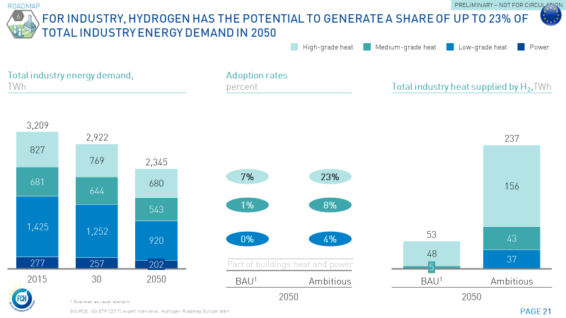
Industry energy - Adoption rates and hydrogen demand

 |  | Ambitious scenario |  |  |  |  |  |  |  | BAU scenario
 |  | Baseline |  |  |  | H2 adoption rates |  | H2 demand |  | Baseline |  |  |  | H2 adoption rates |  | H2 demand
Segment | Category | Unit | 2015 | 2030 | 2050 | Unit | 2050 | Unit | 2050 | Unit | 2015 | 2030 | 2050 | Unit | 2050 | Unit | 2050
Industry energy | Final energy demand | TWh | 3,209 | 2,922 | 2,345 | % | 10% | TWh | 237 | TWh | 3,209 | 2,922 | 2,345 | % | 2% | TWh | 53
High-grade heat | Final energy demand | TWh | 827 | 769 | 680 | % | 23% | TWh | 156 | TWh | 827 | 769 | 680 | % | 7% | TWh | 48
Medium-grade heat | Final energy demand | TWh | 681 | 644 | 543 | % | 8% | TWh | 43 | TWh | 681 | 644 | 543 | % | 1% | TWh | 5
Low-grade heat | Final energy demand | TWh | 1,425 | 1,252 | 920 | % | 4% | TWh | 37 | TWh | 1,425 | 1,252 | 920 | % | 0% | TWh | -
Power | Final energy demand | TWh | 277 | 257 | 202 | % | 0% | TWh | - | TWh | 277 | 257 | 202 | % | 0% | TWh | -

Investments along value chain
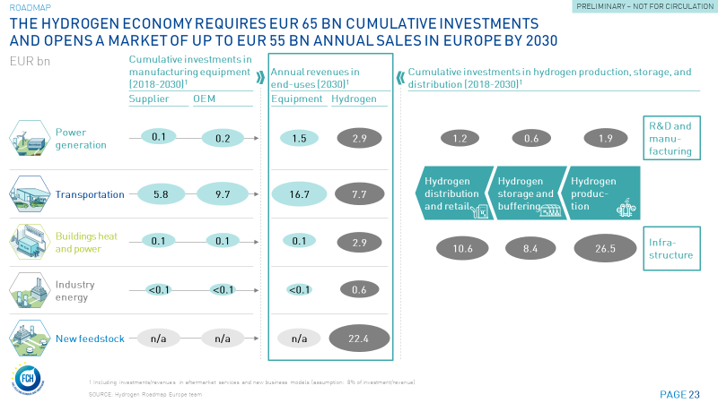
Investments along the value chain until 2030

 |  | Cumulative investmens in manufacturing equipment (2018-2030) |  | Annual revenues in end-uses (2030) |  | Cumulative investments in hydrogen production, storage, and distribution (2018-2030)
Segment | Unit | Supplier | OEM | End-use applications | Hydrogen |  | Hydrogen distribution and retail | Hydrogen storage | Hydrogen production
Power generation | EUR bn | 0.1 | 0.2 | 1.5 | 2.9 | R&D and manufacturing | 1.2 | 0.6 | 1.9
Transportation | EUR bn | 5.8 | 9.7 | 16.7 | 7.7 | Infrastructure | 10.6 | 8.4 | 26.5
Buildings heat and power | EUR bn | 0.1 | 0.1 | 0.1 | 2.9
Industry energy | EUR bn | 0.0 | 0.0 | 0.0 | 0.6
New feedstock | EUR bn |  |  |  | 22.4

Market size + jobs
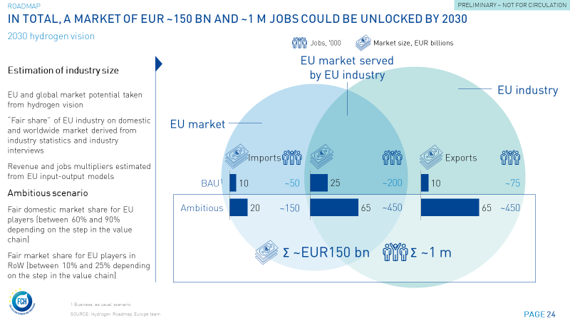
Market size and job potential in 2030

Ambitious scenario
Value chain steps | Unit | EU market size | Global market size | "Fair market share" of EU players in EU | "Fair market share" of EU players in world ex EU | Domestic market (EU-EU) | Imports | Exports | EU Industry
Manufacturing of H2 production and distribution equipment | EUR m | 16,264 | 92,374 | 75% | 25% | 12,198 | 4,066 | 19,028 | 31,226
H2 production, distribution, infrastructure and retail | EUR m | 33,765 | 191,773 | 90% | 10% | 30,389 | 3,377 | 15,801 | 46,189
Manufacturing of specialized materials and components | EUR m | 16,583 | 94,187 | 61% | 20% | 10,116 | 6,467 | 15,521 | 25,637
Manufacturing of end-use applications (transport, industry buildings, power) | EUR m | 16,922 | 96,109 | 61% | 20% | 10,322 | 6,599 | 15,838 | 26,160
Aftermarket services and new business models | EUR m | 4,055 | 23,031 | 90% | 10% | 3,649 | 405 | 1,898 | 5,547

 |  |  |  |  |  | Input for chart
Total | EUR m | 87,589 | 497,474 |  |  | 66,674 | 20,915 | 68,084 | 134,758
Jobs | Number | 593,870 |  |  |  | 452,063 | 141,807 | 461,622 | 913,685

BAU scenario
Value chain steps | Unit | EU market size | Global market size | "Fair market share" of EU players in EU | "Fair market share" of EU players in world ex EU | Domestic market (EU-EU) | Imports | Exports | EU Industry
Manufacturing of H2 production and distribution equipment | EUR m | 3,828 | 28,104 | 45% | 8% | 1,723 | 2,105 | 2,023 | 3,746
H2 production, distribution, infrastructure and retail | EUR m | 21,940 | 161,076 | 90% | 3% | 19,746 | 2,194 | 4,638 | 24,384
Manufacturing of specialized materials and components | EUR m | 2,213 | 16,244 | 31% | 7% | 686 | 1,527 | 935 | 1,621
Manufacturing of end-use applications (transport, industry buildings, power) | EUR m | 2,258 | 16,575 | 31% | 7% | 700 | 1,558 | 955 | 1,654
Aftermarket services and new business models | EUR m | 1,936 | 14,212 | 90% | 3% | 1,742 | 194 | 409 | 2,151

 |  |  |  |  |  | Input for chart
Total | EUR m | 32,175 | 236,212 |  |  | 24,597 | 7,578 | 8,960 | 33,557
Jobs | Number | 266,345 |  |  |  | 203,616 | 62,728 | 74,172 | 277,788

